2017 june
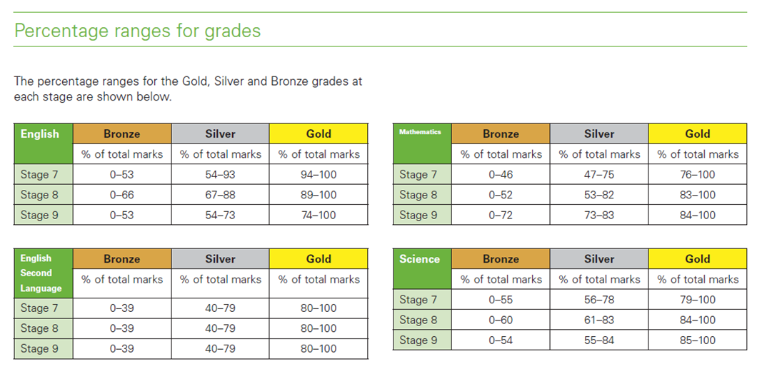
4.stage
Grade 3 English Results
Gold | 13
Silver | 12
Bronze | 4

5.stage
Grade 4 English Results
Gold | 17
Silver | 9
Bronze | 8
Grade 4 Science Results
Gold | 11
Silver | 18
Bronze | 5

6.stage
Grade 5 English Results
Gold | 13
Silver | 12
Bronze | 1
Grade 5 Science Results
Gold | 15
Silver | 11
Bronze | 1
Grade 5 Math Results
Gold | 11
Silver | 14
Bronze | 8

7.stage
Grade 6 English Results
Gold | 3
Silver | 19
Bronze | 3
Grade 6 Science Results
Gold | 13
Silver | 10
Bronze | 2
Grade 6 Math Results
Gold | 4
Silver | 9
Bronze | 11

8.stage
Grade 7 English Results
Gold | 0
Silver | 9
Bronze | 12
Grade 7 Science Results
Gold | 4
Silver | 8
Bronze | 9
Grade 7 Math Results
Gold | 3
Silver | 8
Bronze | 10

9.stage
Grade 8 English Results
Gold | 11
Silver | 3
Bronze | 0
Grade 8 Science Results
Gold | 2
Silver | 10
Bronze | 3
Grade 8 Math Results
Gold | 4
Silver | 1
Bronze | 10

